Sheet1
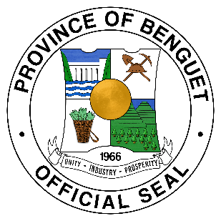
Republic of the Philippines
PROVINCE OF BENGUET
BIDS AND AWARDS COMMITTEE ON INFRASTRUCTURE

SUMMARY OF BIDING DOCUMENTS FOR THE MONTH OF

DATE OPENED | NO. | PROJECT TITLE | ABC | PROSPECTIVE BIDDERS | AWARDED | FAILURE/LATE/DID NOT SUBMIT | FOR POST QUALIFICATION/ AWARDED BUT NOT YET RECEIVED | REMARKS | OR NUMBER AND DATE

